Estim rev an_a combler_deces
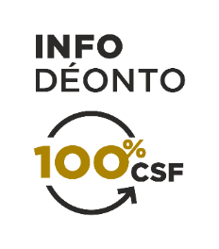 ESTIMATING THE ANNUAL INCOME TO COVER FOLLOWING A DEATH

Death of: | Client | Spouse
Family’s cost of living following the death
Minus:
■ Surviving spouse’s income
■ Surviving spouse’s pension from the QPP after taxes1
■ Other income or pensions
Income to cover | 0.00 $ | 0.00 $

The amounts of the surviving spouse’s pension and the orphan pension are indicated on the client’s QPP statement of participation. The client may easily obtain his statement of participation on the Retraite Québec website.

1 The QPP orphan pension is treated separately, because it ends when the child reaches age 18.

